Sheet1
 |  | Document No. | Issue No. |  | Issue Date |  | Review and Replace Date |  |  | Authorised By
 |  | GFF305MC | 2 |  | 05.08.2021 |  | 22.09.2021
 |  | Document Title | CHICKEN PANANG CURRY WITH BLACK RICE 400G
 |  | tray changed to 2171-1F - FROST |  |  |  | Page |  | 1 of 1 |  | Magda Shah
Document amendments reason for change |  |  |  |  |  | Previous Issue Date |  | 05.08.2021 |  | Uncontrolled copy unless signed original

FCPANR1-R8TMC | MINDFUL CHEF |  | CHICKEN PANANG CURRY WITH BLACK RICE 400G | FROZEN
STEP 1 |  |  |  |  |  | STEP 2
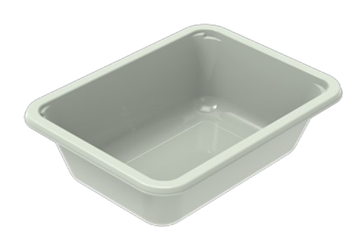 |  |  |  |  |  | 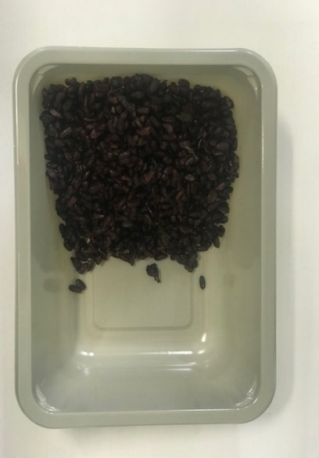

PACK DAY + 1 YEAR
NON-MAP PACK

Tray: EVOLVE CPET 2171-1F FROST (PKRHP001-14) |  |  |  |  |  | Black Rice (MC) (GFF238R): 100g
Film: K-Peel 75G + AF 25 250mm (PKKMP001-01)
STEP 3 |  |  |  | STEP 4 |  |  |  |  | STEP 5
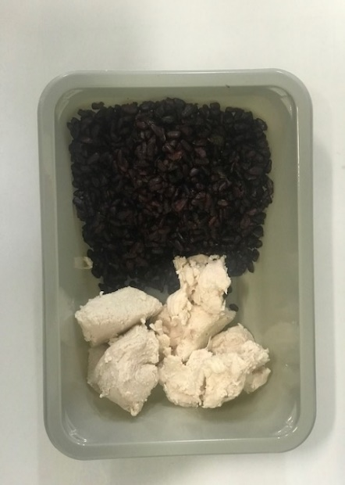 |  |  |  | 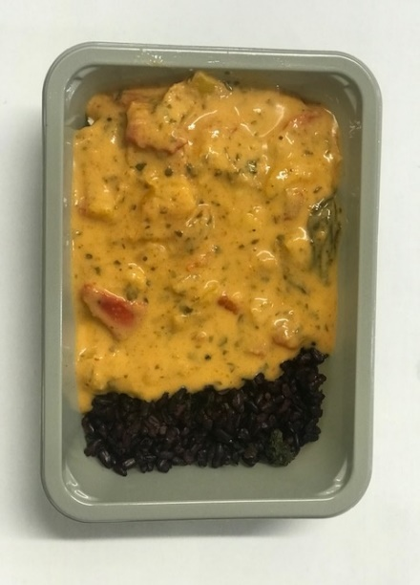 |  |  |  |  | 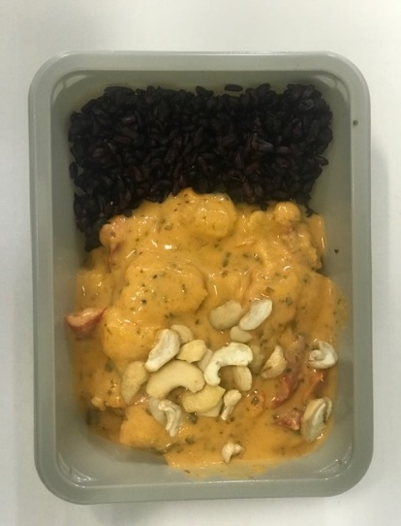

Diced Lemon and Garlic Chicken (High Welfare)-(RMHAR006-01): 70g |  |  |  | Panang Curry Sauce (MC) (GFF377R): 225g |  |  |  |  | Pasteurised Cashew Nuts (GFF352R): 5g |  | TOTAL WEIGHT: 400g

ALLERGY ALERT: CRUSTACEAN, NUTS

